1. Title Page
Grocery Basket Analysis

Project Name: Instacart Grocery Basket Analysis
Date: 4/22/22
Analyst Name: Danielle Copeland

Contents:
Population Flow
Consistency checks
Wrangling steps
Column derivations
Visualizations
Recommendations

Objective:
Instacart is an online grocery store that operates through an app. Instacart already has very good sales, but they want to uncover more information about their sales patterns. We will provide an initial data and exploratory analysis of some of their data in order to derive insights and suggest strategies for better segmentation based on the provided criteria.

Data Source:
“The Instacart Online Grocery Shopping Dataset 2017”, Accessed from https://www.instacart.com/datasets/grocery-shopping-2017 on March 7, 2022.

Note:
The customer and price data was fabricated for the purpose of the Career Foundry Data Analysis course

2. Population Flow
Title page

Population flow

Exclusion flag
Exclusion criteria: customers with less than 5 orders
Data sets impacted: Orders_products_all
Number of rows removed: 1,440,295
Number of rows remaining: 30,964,564
Customers - original data
Total: 10 columns, 206,209 rows
Customers - after consistency checks
Total: 8 columns, 206,209 rows
Orders - original data
Total: 7 columns, 3,421,083 rows
Orders - after consistency checks
Total: 6 columns, 3,421,083 rows
orders_products_prior - original data
Total: 4 columns, 32,434,489 rows
orders_products_prior - after consistency checks
Total: 4 columns, 32,434,489 rows
Products - original data
Total: 5 columns, 49,693 rows
Products - after consistency checks
Total: 5 columns, 49,672 rows

Orders_products_combined
Orders_products_merged
Orders_products_all

Total: 10 columns, 32,434,489 rows
Total: 14 columns, 32,404,859 rows
Total: 30 columns, 32,404,859 rows

1.) The grey boxes in the first row of the population flow represent the original data sets as they were when you downloaded them. In the Total fields you need to add the count of the rows when you imported the data set into Jupyter.
2.) The second row of boxes (colored) represents the data sets after you manipulated them, e.g., removed missing values and duplicates. In the Total fields you need to add the count of the rows after conducting these operations. This offers a visual overview of how the data flows throughout the data consistency checks.
3.) The third row, where also the arrows are colored, represents the merges you performed between the datasets. In the Total fields you need to add the count of the rows in the merged datasets, so that you end up with the final dataset (in the red box). Keep in mind the final dataset should be without exclusions (based on the exclusion flag).

3. Consistency checks
 |  |  |  | Title page
Consistency checks

Dataset | Issue | Rows Affected | Treatment
orders | Missing values (days_since_prior_order) | 206,209 | None, missing values are expected because first time customers will not have a prior order
products | Missing values (product_name) | 16 | Remove rows
products | Duplicate rows | 5 | Remove rows

4. Wrangling steps
 |  |  |  | Title page
Wrangling steps

Columns dropped | Columns renamed | Columns' type changed | Comment/Reason
Orders - eval_set |  |  | The eval_set column added no benefit to the analysis
 | Orders - order_day_of_week |  | Changed it from order_dow to make it more intuitive
 | Orders - total_customer_orders |  | Changed it from ‘order_number’ to make it more intuitive
 |  | Orders - order_id | Changed order_id from a number to a string
 |  | Orders - user_id | Changed user_id from a number to a string
 |  | Products - product_id | Changed product_id from a number to a string
 |  | Products - aisle_id | Changed aisle_id from a number to a string
 |  | Products - department_id | Changed department_id from a number to a string
 |  | OPP - order_id | Changed order_id from a number to a string
 |  | OPP - product_id | Changed product_id from a number to a string
Customers - First Name |  |  | Deleted First Name as it’s not necessary and it’s PPI
Customers - Surnam |  |  | Deleted Surnam as it’s not necessary and it’s PPI
 | Customers - gender |  | Changed it from ‘Gender’ to keep naming consistent
 | Customers - state |  | Changed it from ‘STATE’ to keep naming consistent
 | Customers - age |  | Changed it from ‘Age’ to keep naming consistent
 |  | Customers - user_id | Changed user_id from a number to a string

5. Column derivations
 |  |  |  | Title page
Column derivations and aggregations

In this tab you should add tables below that the frequencies of flags/label variables that you produced after deriving them. NB: don't do this for continuous variables, only for flags.
Dataset | Column/s it was derived from | New column | Conditions
orders_products_merged | order_day_of_week | busiest_day | The busiest day is set to 'Busiest day’. The least busiest day is set to 'Least busy’. All other days are set to 'Regularly busy'
orders_products_merged | price | price_range_loc | If price is <= $5, Low-range product. If price is > $5 and <= $15, Mid-range product. If price is > than $15, High-range product
orders_products_merged | order_day_of_week | busiest_2_days | The 2 busiest day is set to 'Busiest days’. The 2 least busiest day is set to 'Least busy’. All other (3) days are set to 'Regularly busy'
orders_products_merged | order_hour_of_day | busiest_period_of_day | The 6 busiest hours is set to 'Most orders’. The 6 least busiest hours is set to 'Least orders’. All other (12) hours are set to 'Average orders'
merged_derived_vars | total_customer_orders | max_order | The max number of orders grouped by user_id
merged_derived_vars | max_order | loyalty_flag | If the max_order is <= 10, new customer. If the max_order is > 10 and <= 40, regular customer. If the max_order is > 40, loyal customer
merged_derived_vars | user_avg | spender_flag | If the user_avg is < 10, low spender. If the user_avg is >= 10, high spender
merged_derived_vars | regularity | frequency_flag | If the regularity is <= 10, frequent customer. If the regularity is > 10 and <= 20, regular customer. If the regularity is > 20, non-frequent customer
orders_products_all | max_order | exclusion_flag | if max_order is < 5, exclusion is False. If max_order is >= 5, exclusion is True
orders_products_all | age | age_flag | If age is => 18 and <= 25, young adult. If age is > 25 and <65, mature adult. If adult is >= 65, older adult.
orders_products_all | n_dependants | parent_flag | If n_dependants > 0, parent. Else, not.
orders_products_all | income | income_flag | If income is <= 67,292, low income. If income is > 67,292 and <= 128,102, middle income. If income is > 128,102, high income.
orders_products_all | order_hour_of_day | time_of_day | If hour <= 11, morning. If hour > 11 and <= 17, afternoon. If hour > 17, night.
orders_products_all | order_day_of_week | time_of_week | If day is <= 1, weekend. Else, weekday.
orders_products_all | parent_flag & fam_status | profile | If not parent and single or divorced/widowed, single adult. If parent and single or divorced/widowed, single parent. If parent and married, family. If not parent and married, couple. If parent and living with parents and siblings, supported parent’. Else, supported adult.

6. Visualizations
 | Title page
Visualizations

In this tab you should include all the visualizations from Exercises 4.9 and 4.10, alongside the questions from the project brief that they answer. Include any commentary on the relationship between different variables.

Busiest days and times
The weekends are the busiest days of the week. Between 9am and 4pm are the busiest hours of the day.
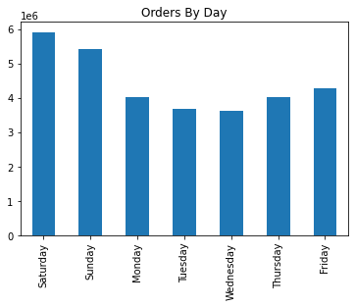
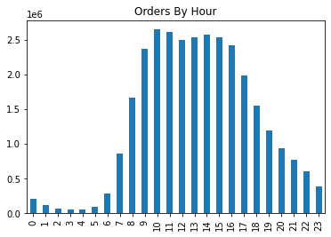

Orders (in millions)
Orders (in millions)

5.9
5.4
4.3
4.0
3.7
3.6
4.0

Particular times of day when people spend the most money
People spend the most money during the afternoon. High-range products contribute to more than a third of revenue even though they make up only 1% of orders. Low-range make up less than 10% of revenue but contribute to almost a third of orders throughout the day.

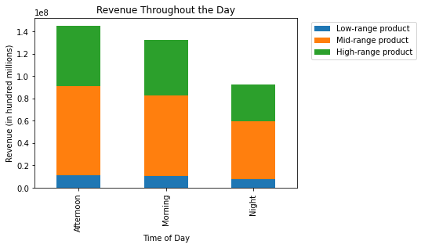
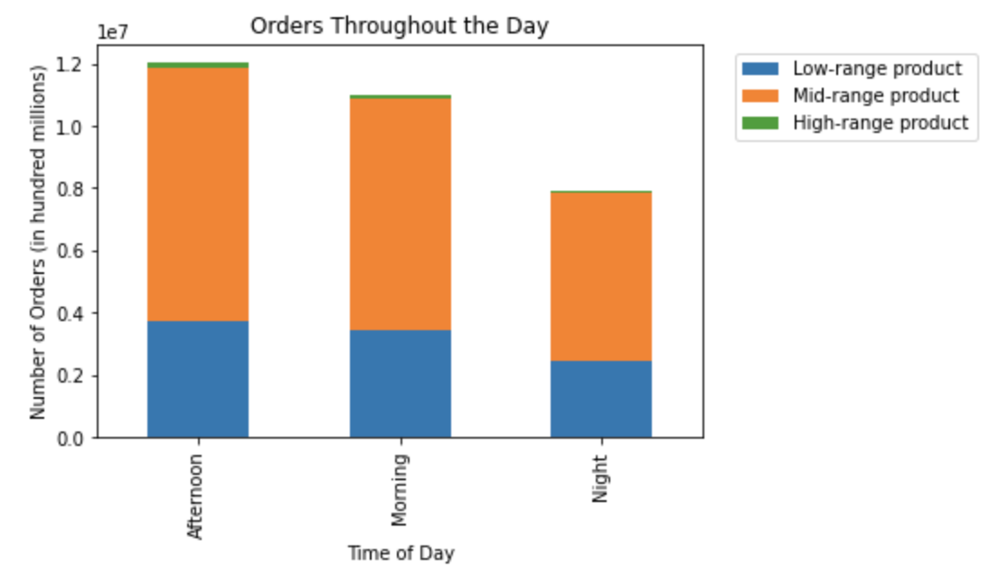
1%
1%
37%
37%
68%
1%
35%
54%
68%
55%
55%
57%
31%
25%
8%
8%
31%
8%

Different price tags
There are far more mid-range and low-range products than high-range products. The number of orders and the number of items sold by price range are almost the same.
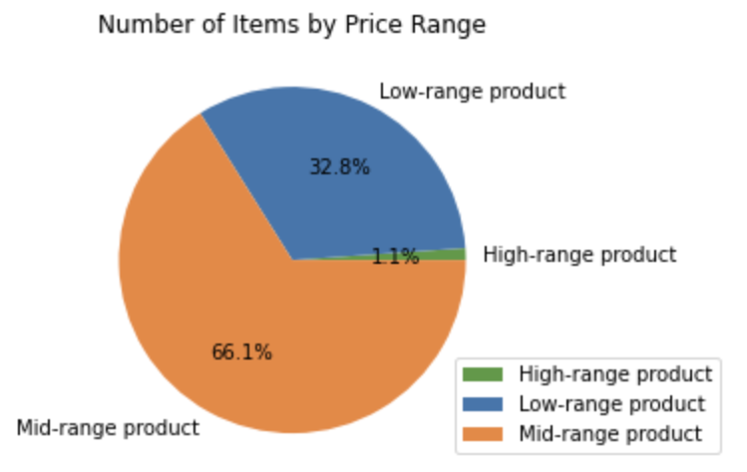
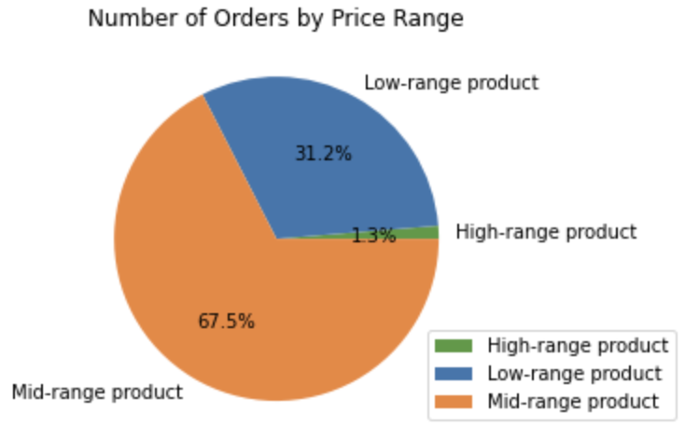

Popular Products
The most popular products are produce, dairy eggs, snacks, beverages, and frozen. The least popular products are bulk, other, missing, pets, and alcohol.
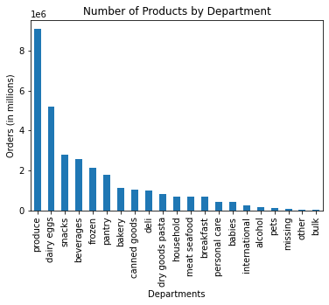
9.1

5.2

2.8
2.6
2.1
1.8
1.1
1.0
1.0
0.8
0.7
0.7
0.7
0.4
0.4
0.3
0.1
0.1
0.1
0.0
0.0

Brand Loyalty
Frequent customers make up the biggest part of customers and make the most orders. However, they spend the least price per item. Regular customers spend the most per item.
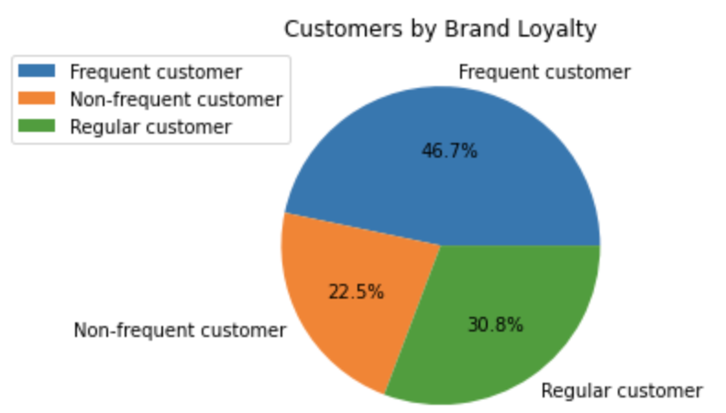
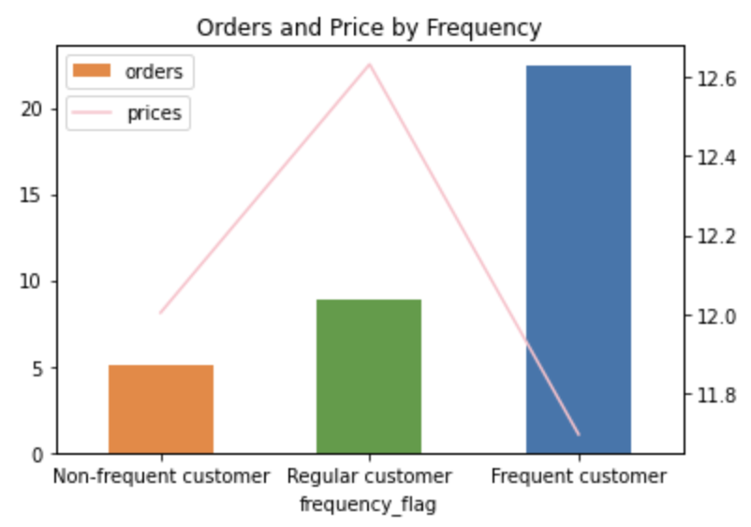
$12.63

Average number of orders
Average price

22
$12.00

5
9

$11.70

Customer Loyalty
Regular customers make up the biggest part of customers. Loyal customers, the smallest portion of customers, spend the least per item but has an higher average number of orders. New customers, a large portion of customers, spend the most per item.

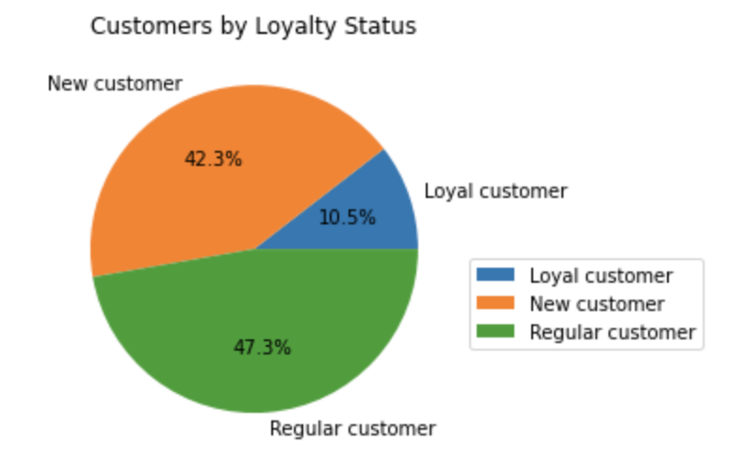
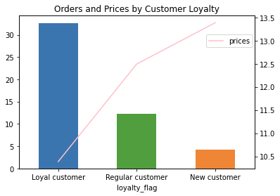

$13.39

Average number of orders
$12.50

Average price

32

12

5
$10.39

Region
The Midwest spends the most per item but is third in users. The Northeast has the least amount of users but spends more per item than the West.
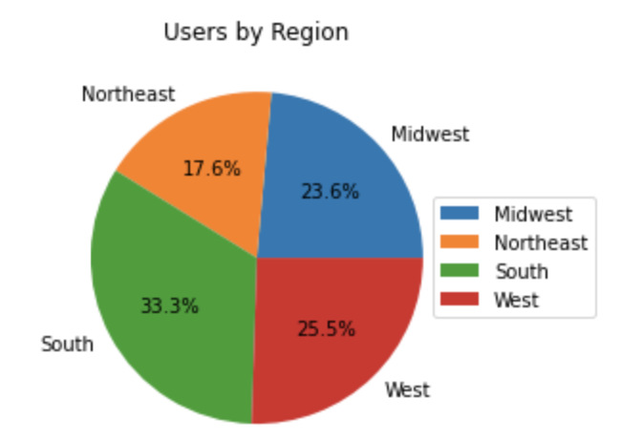
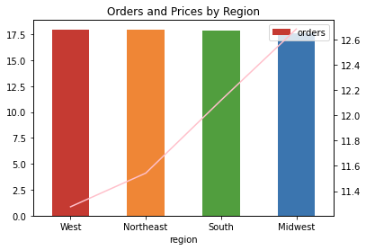
$12.68

Average number of orders
17.8
17.6
Average price
18.0
17.9

$12.12

$11.54

$11.28

Prices by Age
Age and Family Status
There seems to be no trend for prices or number of orders by age. Singles spend the most per item and have a high number of orders. Those living with parents and siblings spend the least per item but have one of the highest number of orders.
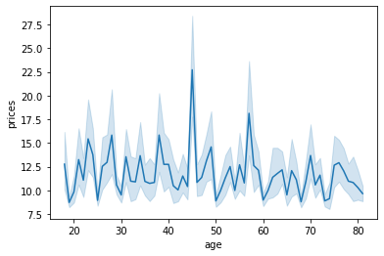
Total Number of Orders by Age
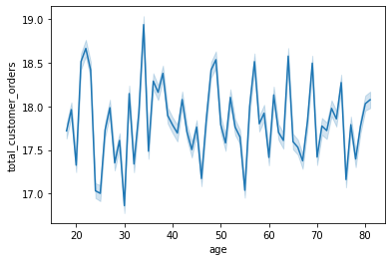

Prices by Family Status
Average Number of Orders by Family Status
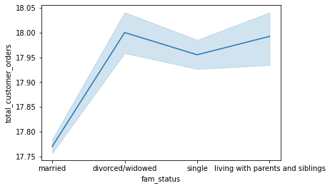
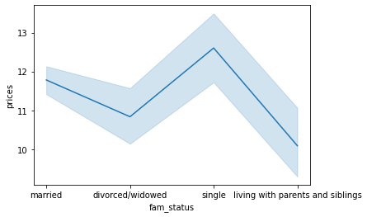

Income
There seems to be no correlation between price and income or between total number of customer orders and income.
Prices by Income
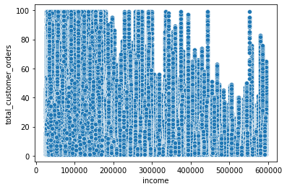
Total Number of Orders by Income
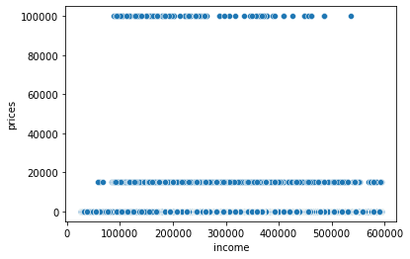

Customer Profiles
All profiles have similar average orders but single adults pay the most per item and supported parents pay the least per item.
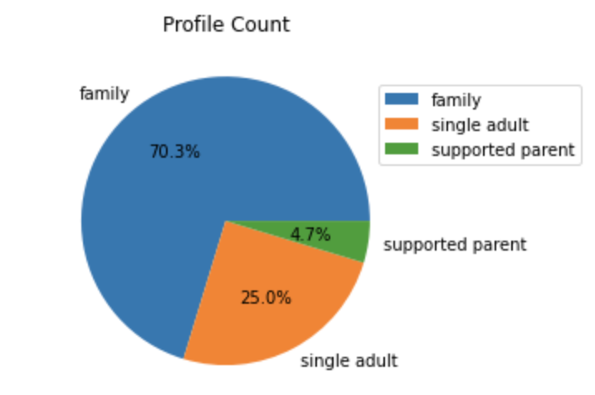
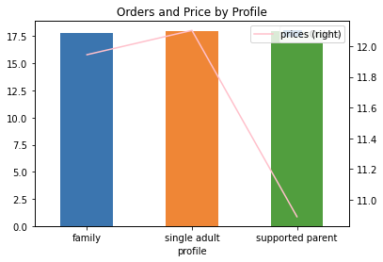
$12.10

$11.94

Average number of orders

Average price
17.8
18.0
18.0

$10.89

7. Recommendations
 | Title page
Recommendations

In this tab you should include any recommendations you would made to Instacart in terms of their marketing strategy based on the questions posed in the brief. Every key question has been covered in the Tasks of the Exercises - here you need to add an item - a visualization or table/crosstable that is showing the answer in the data, accompanied by a comment from you. Please, list the questions below and add the answer underneath.

Key Question 1: What are the busiest days and hours?
Answer: The weekends are the busiest days of the week. Between 9am and 4pm are the busiest hours of the day.
Recommendation: Schedule ads during the week, between 4pm and midnight, and between 6am and 9am

Orders (in millions)

Key Question 2: When do people spend the most money?
Answer: People spend the most money during the afternoon. High-range products contribute to more than a third of revenue even though they make up only 1% of orders. Low-range make up less than 10% of revenue but contribute to almost a third of orders throughout the day.
Recommendation: Run ads during the morning and night. Ads should be of high- and mid-range products.

1%
1%
37%
37%

68%
1%
35%
54%
55%
55%
68%
57%
31%
8%
8%
8%
25%
31%

Key Question 3: How do the price ranges compare?
Answer: There are far more mid-range and low-range products than high-range products. The number of orders and the number of items sold by price range are almost the same.
Recommendation: Increase the number of high-range products and advertise them heavily.

Key Question 4: Are more products more popular than others
Answer: The most popular products are produce, dairy eggs, snacks, beverages, and frozen. The least popular products are bulk, other, pets, alcohol, and international.
Recommendation: Advertise bulk, pets, alcohol, and international products.

9.1

5.2

2.8
2.6
2.1
1.8
1.1
1.0
1.0
0.8
0.7
0.4
0.7
0.7
0.3
0.4
0.1
0.1
0.1
0.0
0.0

Key Question 5: What’s the distribution between brand loyal and frequent customers?
Answer: Frequent customers make up the biggest part of brand loyal customers and regular customers make up the biggest part of customers by loyalty status.
Recommendation: Send mid-range and high-range product ads to customers who are only regular customers in terms of brand loyalty (do not make very frequent orders) as they spend the most per item. Send mid-range and high-range product ads to customers who are new or regular customers in terms of customer loyalty (do not have a high number of orders) as they spend the most per item.

$12.63
$13.39

$12.50

22
32

$12.00

9
12
5
$11.70
5
$10.39

Key Question 6: Does the ordering habit change by region?
Answer: The Midwest spends the most per item but is third in users. The Northeast has the least amount of users but spends more per item than the West.
Recommendation: Grow the user base in the Northeast and Midwest as they spend the most per item.

$12.68

Average number of orders
Average price
18.0
17.9
17.8
17.6

$12.12

$11.54

$11.28

Key Question 7: Does the ordering habit change by customer profile?
Answer: Singles spend the most per item and have a high number of orders. Those living with parents and siblings spend the least per item but have one of the highest number of orders. Single adults pay the most per item and supported parents pay the least per item.
Recommendation: As 75% of customers have children, promote more kids/family friendly products.

$12.10

$11.94

17.8
18.0
18.0

$10.89

